Coplanar
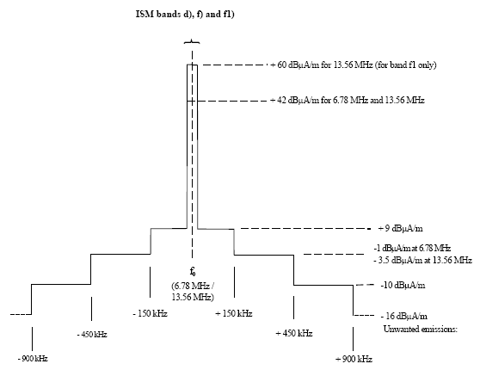
 | Constants

 | µ0 | 1.2566370614E-06 | Vs/Am | magnetic field constant
 | c | 299800000 | m/s | speed of light in vacuum
 | fC | 13.56 | MHz | transmission carrier frequency

 | Loop antenna parameters

 | RA | 0.0075 | m | Loop antenna radius
 | NA | 1 | --- | number of turns
 | IA | 1 | A | total antenna current
 | LA | 0.00000048 | H | antenna inductance
 | QA | 35 |  | antenna Q-factor

---------------------------------------
 | ITX | 0.03 | A | Antenna feed current (TX driver output)
 | PD | 0.033384486961 | W | Antenna feed power (driver output)
 | MD | 0.00017671458676 | Am² | magnetic dipole momentum

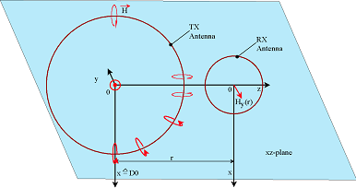
 | Link

 | dL | 0.035 | m | Link distance
---------------------------------------
 | HCOPLANAR | 0.32797211456 | A/m | H-field in link distance
 | HCOPLANAR, dB | 110.3167384 | dB(µA/m)
 | ECOPLANAR | 1.2291286764 | V/m | E-field in link distance
 | ECOPLANAR, dB | 121.79194702 | dB(µV/m)

Coaxial
 | Constants

 | µ0 | 1.2566370614E-06 | Vs/Am | magnetic field constant
 | c | 299800000 | m/s | speed of light in vacuum
 | fC | 13.56 | MHz | transmission carrier frequency

 | Loop antenna parameters

 | RA | 0.0075 | m | Loop antenna radius
 | NA | 1 | --- | number of turns
 | IA | 1 | A | total antenna current
 | LA | 0.00000048 | H | antenna inductance
 | QA | 35 |  | antenna Q-factor

---------------------------------------
 | ITX | 0.03 | A | Antenna feed current (TX driver output)
 | PD | 0.033384486961 | W | Antenna feed power (driver output)
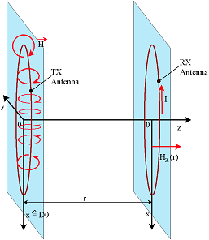
 | MD | 0.00017671458676 | Am² | magnetic dipole momentum

 | Link

 | dL | 0.035 | m | Link distance
---------------------------------------
 | HCOAXIAL | 0.65597700951 | A/m | H-field in link distance
 | HCOAXIAL, dB | 116.33777237 | dB(µA/m)
 | ECOAXIAL | 0 | V/m | E-field in link distance
 | ECOAXIAL, dB | #NUM! | dB(µV/m)

