Antenna_calc
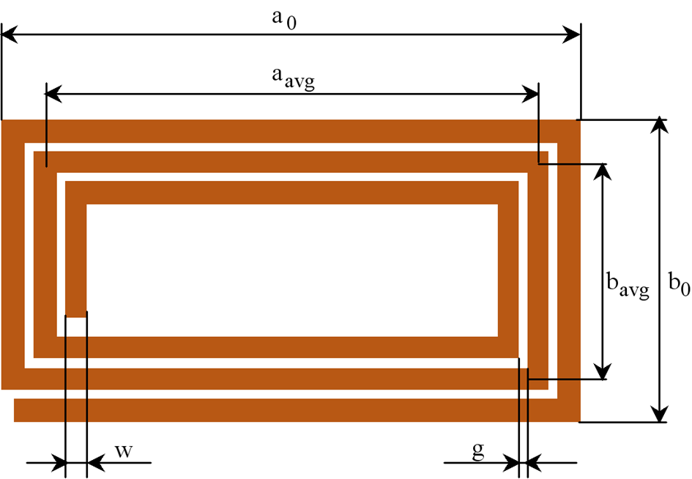
 | Inductance of rectangular conductor coil

 | a0 | 0.079 | m | long side (maximum) in meters
 | b0 | 0.049 | m | short side (maximum) in meters
 | w | 0.0007 | m | conductor track width in meters
 | g | 0.0004 | m | conductor track gap in meters
 | t | 0.000018 | m | conductor thickness in meters
 | N | 6 | --- | nuber of turns

 | d | 0.00012666024737 | m | equivalent area circular conductor diameter

 | a_avg | 0.076492 | m | average long side in meters
 | b_avg | 0.046492 | m

 | µ0 | 1.2566370614E-06 | Vs/Am |  | 1.9123E-09 | 1.1623E-09 | 8.8401247754E-08 | 4.3311600961E-08
 | E | 1.6 | --- | turn exponent
---------------------------------------
 | L | 4.7393791024E-06 | H | Antenna inductance (Air Coil)

